Sheet1
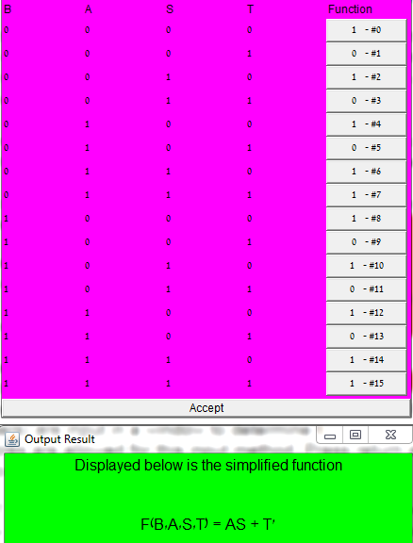
Blanket Moving (B) | Air Pressure (A) | Squeegee Engaged (S) | Tub Engaged (T) | Out
0 | 0 | 0 | 0 | 1
0 | 0 | 0 | 1 | 0 | !a !b !c d
0 | 0 | 1 | 0 | 1
0 | 0 | 1 | 1 | 0 | !a !b c d
0 | 1 | 0 | 0 | 1
0 | 1 | 0 | 1 | 0 | !a b !c d
0 | 1 | 1 | 0 | 1
0 | 1 | 1 | 1 | 1
1 | 0 | 0 | 0 | 1
1 | 0 | 0 | 1 | 0 | a !b !c d
1 | 0 | 1 | 0 | 1
1 | 0 | 1 | 1 | 0 | a !b c d
1 | 1 | 0 | 0 | 1
1 | 1 | 0 | 1 | 0 | a b !c d
1 | 1 | 1 | 0 | 1
1 | 1 | 1 | 1 | 1

